Navigation Bar
🔹 Section 1: General Navigation (Pre-login)

Test Case ID | Description | Test Steps | Expected Result | Actual Result | Status | Remarks
TC_NAV_001 | Verify visibility of navbar elements | Load the site (not logged in) | "Home", "Services", "OTC Store", "About Us", "Contact", "Create Account" should be visible | "Home", "Services", "OTC Store", "About Us", "Contact", "Create Account" are visible | Pass
TC_NAV_002 | Verify correct page redirection for each nav item | Click on each menu item | Should redirect to respective sections/pages |  | Fail | 🔴 Bug: All navigation items (Services, OTC Store, About Us, Contact) incorrectly render the post-login navbar instead of the expected pre-login navbar for unauthenticated users. 🔴 Bug: OTC Store, About Us, and Contact do not have separate pages
TC_NAV_003 | Verify hover effect on navbar items | Hover on each menu item | Hover effect (color change/underline) appears | Hover effect (color change appears | Pass
TC_NAV_004 | Verify "Create Account" button redirection | Click "Create Account" | Redirects to signup page | User is redirected to the Login page instead of the Sign Up page | Fail | 🔴 Bug: "Create Account" button misdirects to login page
TC_NAV_005 | Verify clicking logo redirects to home | Click on website logo | Should redirect to home page | Should redirect to home page | Pass

🔹 Section 2: Navbar (After Login)

Test Case ID | Description | Test Steps | Expected Result | Actual Result | Status | Remarks
TC_NAV_006 | Verify user icon appears after login | Login with valid credentials | Profile icon should appear at the top-right | Profile icon appear at the top-right | Pass
TC_NAV_007 | Verify dropdown menu on clicking profile icon | Click profile icon | Dropdown with "Profile", "Settings", "Logout" options appears |  | Fail | 🔴 Bug :Settings option does not redirect to any page; clicking has no effect. 🔴 Bug : Dropdown appears when hovering over the user icon or notification icon (unexpected behavior). 🔴 Bug : Profile Dropdown Behavior . ✅ Expected Correct Behavior (for developer reference): On first click of the user icon → Show dropdown with options (Profile, Settings, Logout). On second click on the user icon or click outside the dropdown → Hide dropdown. No dropdown should appear on hover (of any icon).
TC_NAV_008 | Verify "Logout" functionality | Click "Logout" from dropdown | After logging out: User should be fully logged out (session/token cleared). Navbar should update to pre-login state. "Create Account" button should be visible and clickable, leading to the registration/signup page. | "Create Account" button appears after logout, but is not clickable. Clicking it does not redirect to the signup page. | Fail | 🔴 Bug : After Logout, the "Create Account" button appears in the navigation bar, but it is not clickable.
TC_NAV_009 | Verify access to protected routes | Login and manually enter protected URLs | Should be accessible |  | Pass
TC_NAV_010 | Verify logout removes access to protected pages | Logout and enter protected URL | Should redirect to login or show access denied |  | Pass

🔹 Section 3: Functional Edge Cases

Test Case ID | Description | Test Steps | Expected Result | Actual Result | Status | Remarks
TC_NAV_011 | Verify navbar stays fixed on scroll | Scroll down the page | Navbar remains fixed at the top | Navbar remains fixed at the top | Pass
TC_NAV_012 | Verify active page indication | Click on "Services" → check navbar | Active item is highlighted | Active item is highlighted | Pass
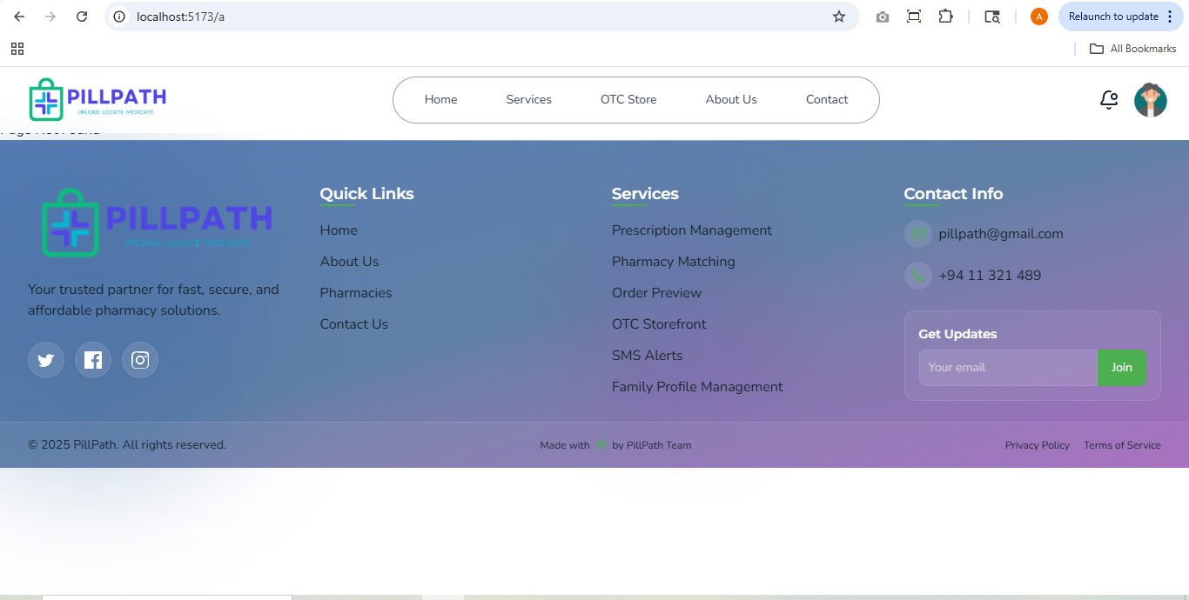
TC_NAV_021 | Verify click on notification icon | Click bell icon | Notification list appears or message shown | No response; no UI displayed | Fail | 🔴 Bug: Notification frontend not yet developed
TC_NAV_022 | Verify fallback for broken nav link | Break a route manually ex:http://localhost:5173/a | App handles broken route with error message or 404 | Displays unhandled error | Fail | 🔴 Bug: Broken routes not handled properly with a 404 or error message

Login Page
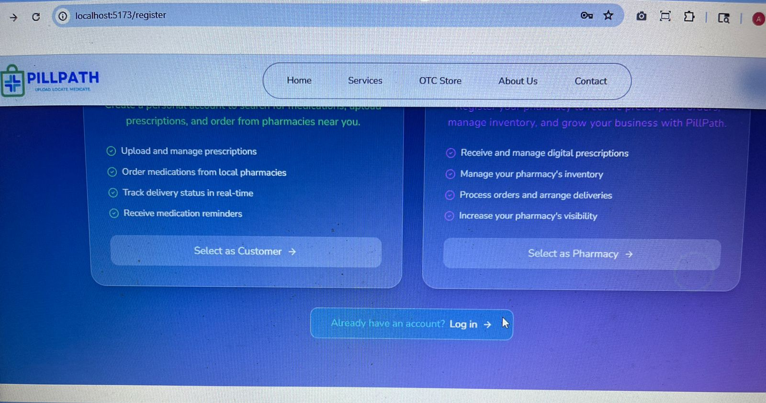
Test Case ID | Test Case Description | Test Steps | Expected Result | Actual Result | Status | Remarks
TC_UI_001 | Verify login form loads correctly | Navigate to login page | Login form is visible with all expected fields and buttons | Login form is visible with all expected fields and buttons | Fail | 🔴 Bug: When navigating from the Signup page, hovering near the text shows only the cursor instead of the expected arm icon.
TC_UI_002 | Verify email/username input field is present and functional | Check for the presence of the input field labeled "Email or Username" | User can type into the field | User can type into the field | Pass
TC_UI_003 | Verify password field is masked | Enter password in the "Password" field | Characters appear as dots (●) | Characters appear as dots (●) | Pass
TC_UI_004 | Verify "Sign In" button is enabled only with valid input | Enter valid email and password | "Sign In" button is clickable | "Sign In" button should become clickable and allow navigation to the customer dashboard upon clicking | Fail | 🔴 Bug: Email validation is missing. Also, clicking the "Sign In" button should navigate to the customer dashboard, but currently it does not navigate anywhere.
TC_UI_005 | Verify "Forgot Password?" link redirects correctly | Click on "Forgot Password?" | Navigates to the password recovery page | "Forgot Password?" link is non-functional | Fail | 🔴 Bug: "Forgot Password?" link is non-functional — the password recovery page is not yet developed.
TC_UI_006 | Verify "Create Account" link redirects correctly | Click on "Create Account" | Navigates to the registration page | Navigates to the registration page | Pass
TC_UI_007 | Verify social login buttons are present | Check for presence of Google, Apple, and Microsoft icons | All social login buttons are visible | All social login buttons are visible | Pass
TC_UI_008 | Verify validation message for empty email field | Leave email field empty and click "Sign In" | An error message is displayed (e.g., "Email is required") | No error message is displayed | Fail | 🔴 Bug: No validation message is shown when the email field is left empty.
TC_UI_009 | Verify validation message for empty password field | Leave password field empty and click "Sign In" | An error message is displayed (e.g., "Password is required") | No error message is displayed | Fail | 🔴 Bug: No validation message is shown when the password field is left empty.
TC_UI_010 | Verify logo is clickable and redirects to homepage | Click on the PillPath logo | User is redirected to homepage | User is redirected to homepage | Pass

